Graphs_5-9
Graph.5 | Graph.6
Month to month changes in the CPI
 | All Groups | Underlying
Apr-18 | 0.6% | 0.0%
May-18 | 1.9% | 2.1%
Jun-18 | 1.1% | 2.6%
Jul-18 | 1.0% | -0.4%
Aug-18 | -0.3% | -0.3%
Sep-18 | -0.6% | -0.9%
Oct-18 | 0.2% | -0.2%
Nov-18 | -2.2% | -2.0%
Dec-18 | -0.2% | -2.2%
Jan-19 | -1.6% | -1.1%
Feb-19 | 0.7% | 2.7%
Mar-19 | 1.7% | 1.6%
Apr-19 | -0.2% | -0.3%
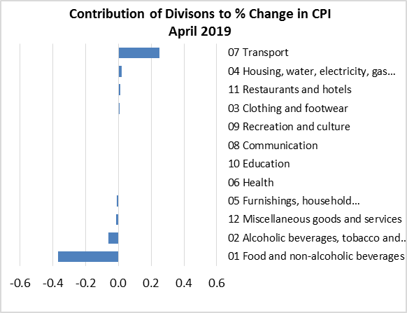

Graph.7 | Graph.8
Month to month changes in the CPI Local and Imported components
 | Local | Imported
Apr-18 | 1.7% | -0.4%
May-18 | 1.0% | 2.9%
Jun-18 | -1.4% | 3.5%
Jul-18 | 2.0% | 0.2%
Aug-18 | 0.3% | -0.8%
Sep-18 | -0.5% | -0.7%
Oct-18 | 0.4% | -0.1%
Nov-18 | -2.5% | -1.9%
Dec-18 | 2.6% | -2.8%
Jan-19 | -0.2% | -3.1%
Feb-19 | -0.7% | 2.1%
Mar-19 | 1.7% | 1.6%
Apr-19 | -0.5% | 0.1%
All Divisions and Underlying Indices (February 2016 = 100)
 | All Groups | Underlying
Apr-18 | 105.3 | 104.6
May-18 | 107.4 | 106.9
Jun-18 | 108.6 | 109.7
Jul-18 | 109.7 | 109.2
Aug-18 | 109.4 | 108.8
Sep-18 | 108.7 | 107.9
Oct-18 | 108.9 | 107.7
Nov-18 | 106.5 | 105.5
Dec-18 | 106.3 | 103.1
Jan-19 | 104.6 | 102.0
Feb-19 | 105.3 | 104.8
Mar-19 | 107.0 | 106.5
Apr-19 | 106.8 | 106.1

Graph.9
Month to Month a Year Earlier % Change in All Divisions, Imported and Local. (May 2016 - Apr 2019)
 | CPI | Local | Imported
May-16 | 1.2% | 4.8% | -4.2%
Jun-16 | 2.3% | 2.9% | -0.1%
Jul-16 | 2.5% | 2.6% | 1.7%
Aug-16 | 3.3% | 2.8% | 2.2%
Sep-16 | 4.1% | 4.9% | 1.6%
Oct-16 | 1.4% | 0.3% | 1.2%
Nov-16 | 0.6% | -1.6% | 1.8%
Dec-16 | 0.6% | -2.2% | 3.1%
Jan-17 | -2.8% | -7.1% | 3.2%
Feb-17 | 1.6% | -1.7% | 5.0%
Mar-17 | 1.4% | -2.9% | 5.7%
Apr-17 | 1.3% | -2.6% | 5.2%
May-17 | 1.5% | -1.3% | 4.3%
Jun-17 | 1.0% | -0.9% | 2.9%
Jul-17 | 0.0% | -2.7% | 2.6%
Aug-17 | 2.6% | 1.7% | 3.5%
Sep-17 | 2.3% | -0.3% | 4.7%
Oct-17 | 3.7% | 0.8% | 6.6%
Nov-17 | 4.8% | 2.6% | 6.9%
Dec-17 | 4.0% | 1.8% | 6.0%
Jan-18 | 4.2% | 2.5% | 5.7%
Feb-18 | 3.6% | 2.4% | 4.7%
Mar-18 | 3.6% | 3.7% | 3.5%
Apr-18 | 4.5% | 5.5% | 3.7%
May-18 | 5.6% | 4.4% | 6.7%
Jun-18 | 5.8% | 3.5% | 7.9%
Jul-18 | 6.1% | 4.7% | 7.4%
Aug-18 | 4.9% | 4.1% | 5.7%
Sep-18 | 4.9% | 4.9% | 4.9%
Oct-18 | 4.4% | 5.9% | 3.1%
Nov-18 | 1.5% | 2.7% | 0.4%
Dec-18 | 1.2% | 4.9% | -2.1%
Jan-19 | -1.1% | 2.5% | -4.6%
Feb-19 | 0.0% | 2.4% | -2.3%
Mar-19 | 2.3% | 4.3% | 0.3%
Apr-19 | 1.5% | 2.1% | 0.8%

