Graphs
Graph.1 | Graph.2
Month to month changes in the CPI
 | All Groups | Underlying
Oct-16 | -0.8% | 0.01%
Nov-16 | -0.3% | -0.20%
Dec-16 | 0.8% | -0.26%
Jan-17 | 0.5% | 0.26%
Feb-17 | 0.1% | -0.58%
Mar-17 | -0.6% | -0.05%
Apr-17 | -0.3% | -0.59%
May-17 | 1.0% | 0.67%
Jun-17 | 0.9% | 1.69%
Jul-17 | 0.7% | 0.84%
Aug-17 | 0.9% | 1.01%
Sep-17 | -0.7% | 0.03%
Oct-17 | 0.6% | 1.27%
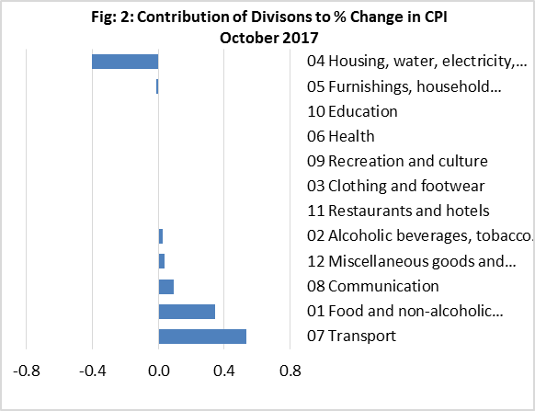

Graph.3 | Graph.4
Month to month changes in the CPI Local and Imported components
 | Local | Imported
Oct-16 | -1.56% | -0.1%
Nov-16 | -1.17% | 0.5%
Dec-16 | 1.18% | 0.4%
Jan-17 | 1.34% | -0.3%
Feb-17 | -0.45% | 0.7%
Mar-17 | -1.41% | 0.1%
Apr-17 | 0.00% | -0.5%
May-17 | 1.97% | 0.0%
Jun-17 | -0.48% | 2.3%
Jul-17 | 0.84% | 0.7%
Aug-17 | 0.93% | 0.8%
Sep-17 | -1.37% | 0.0%
Oct-17 | -0.54% | 1.7%
All Divisions and Underlying Indices (February 2016 = 100)
 | All Groups | Underlying
Oct-16 | 100.5 | 102.7
Nov-16 | 100.2 | 102.5
Dec-16 | 101.0 | 102.2
Jan-17 | 101.5 | 102.4
Feb-17 | 101.6 | 101.9
Mar-17 | 101.0 | 101.8
Apr-17 | 100.7 | 101.2
May-17 | 101.7 | 101.9
Jun-17 | 102.6 | 103.6
Jul-17 | 103.4 | 104.5
Aug-17 | 104.3 | 105.5
Sep-17 | 103.6 | 105.6
Oct-17 | 104.3 | 106.9

Month to Month a Year Earlier % Change in All Divisions, Imported and Local. (Nov 2014-Oct 2017)
 | CPI | Local | Imported
Nov-14 | 3.70% | 5.24% | 1.58%
Dec-14 | 5.75% | 9.76% | 0.42%
Jan-15 | 3.82% | 7.05% | -0.40%
Feb-15 | 3.09% | 6.82% | -1.91%
Mar-15 | 0.37% | 3.34% | -3.75%
Apr-15 | 2.80% | 6.59% | -2.30%
May-15 | 0.65% | 4.08% | -4.07%
Jun-15 | 0.37% | 5.23% | -6.17%
Jul-15 | 2.32% | 9.68% | -7.51%
Aug-15 | 0.00% | 6.64% | -8.57%
Sep-15 | -0.93% | 5.11% | -8.92%
Oct-15 | -0.82% | 4.64% | -8.25%
Nov-15 | -0.46% | 5.08% | -7.81%
Dec-15 | -2.32% | 1.43% | -7.68%
Jan-16 | 2.34% | 9.40% | -7.98%
Feb-16 | -0.82% | 3.96% | -7.68%
Mar-16 | -0.11% | 4.28% | -6.25%
Apr-16 | -1.53% | 2.35% | -7.06%
May-16 | 1.17% | 4.82% | -4.19%
Jun-16 | 2.25% | 2.94% | -0.06%
Jul-16 | 2.46% | 2.58% | 1.68%
Aug-16 | 3.27% | 2.82% | 2.23%
Sep-16 | 4.09% | 4.89% | 1.61%
Oct-16 | 1.35% | 0.33% | 1.23%
Nov-16 | 0.57% | -1.65% | 1.78%
Dec-16 | 0.62% | -2.19% | 3.10%
Jan-17 | -2.77% | -7.11% | 3.19%
Feb-17 | 1.64% | -1.66% | 5.02%
Mar-17 | 1.39% | -2.85% | 5.74%
Apr-17 | 1.27% | -2.60% | 5.24%
May-17 | 1.45% | -1.35% | 4.31%
Jun-17 | 1.02% | -0.93% | 2.93%
Jul-17 | 0.00% | -2.65% | 2.63%
Aug-17 | 2.58% | 1.67% | 3.46%
Sep-17 | 2.26% | -0.26% | 4.71%
Oct-17 | 3.73% | 0.77% | 6.58%
Graph.5

